May 2021
Settle Prices for CME Corn, Monday May 24, 2021
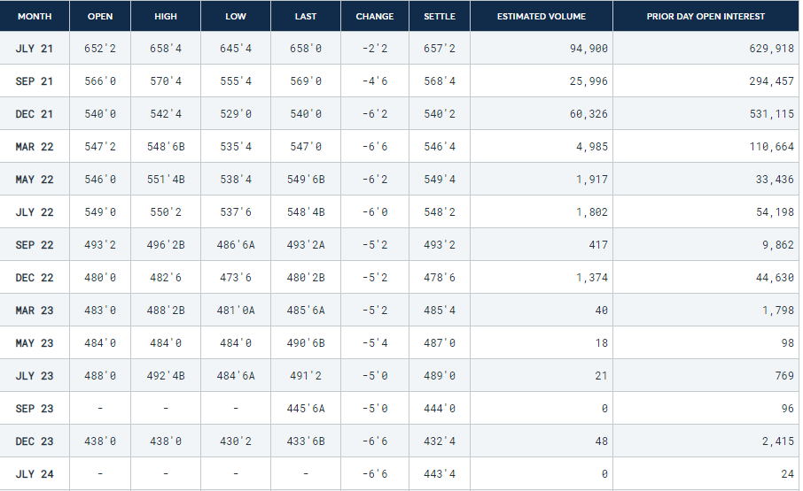
 | Month | Settle
 | 2021-07-21 | 6.5725
 | 2021-09-21 | 5.685
 | 2021-12-21 | 5.4025
 | 2021-03-22 | 5.4625
 | 2021-05-22 | 5.495
 | 2021-07-22 | 5.4825
 | 2021-09-22 | 4.9325
 | 2021-12-22 | 4.7875
 | 2021-03-23 | 4.855
 | 2021-05-23 | 4.87
 | 2021-07-23 | 4.89

June 2021
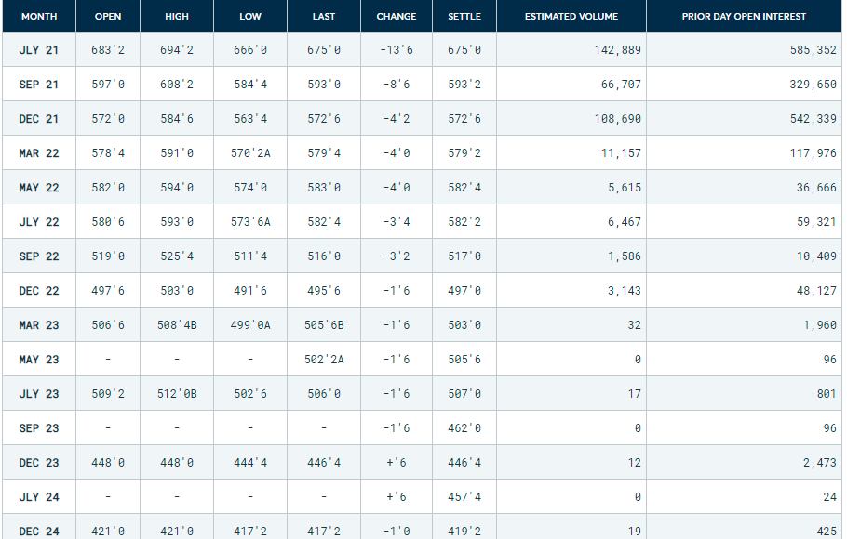
Month | Settle
2021-07-21 | 6.75
2021-09-21 | 5.9325
2021-12-21 | 5.7275
2021-03-22 | 5.7925
2021-05-22 | 5.825
2021-07-22 | 5.8225
2021-09-22 | 5.17
2021-12-22 | 4.97
2021-03-23 | 5.03
2021-05-23 | 5.0575
2021-07-23 | 5.07

Graphs
 | July 2, 2020 |  | Pad_Sim |  | Pad_Real |  | June 2, 2021
Jul (near) | 3.425 | Jul (near) |  | Mar (distant) |  | Mar (distant) | 6.750
Sep (near) | 3.435 | Sep (near) |  | May (distant) |  | May (distant) | 5.933
Dec (near) | 3.535 | Dec (near) |  | Jul (distant) |  | Jul (distant) | 5.728
Mar (distant) | 3.65 | Mar (distant) |  | Sep (distant) |  | Sep (distant) | 5.793
May (distant) | 3.7075 | May (distant) |  | Dec (distant) |  | Dec (distant) | 5.825
Jul (distant) | 3.7475 | Jul (distant) |  |  |  |  | 5.823
Sep (distant) | 3.6775 | Sep (distant) |  |  |  |  | 5.170
Dec (distant) | 3.74 | Dec (distant) |  |  |  |  | 4.970
 | July 2, 2020 | Pad_Real | Pad_Sim | June 2, 2021
Jul (near) | 3.425 |  |  | 6.750
Sep (near) | 3.435 |  |  | 5.933
Dec (near) | 3.535 |  |  | 5.728
Mar (distant) | 3.65 |  |  | 5.793
May (distant) | 3.7075 |  |  | 5.825
Jul (distant) | 3.7475 |  |  | 5.823
Sep (distant) | 3.6775 |  |  | 5.170
Dec (distant) | 3.74 |  |  | 4.970

 | Prices |  |  |  |  |  | Base | Low H_5 | High H_5 | Low S_T | High S_T
 | Base | Low H_5 | High H_5 | Low S_T | High S_T | Trend line slope | 0 | 0 | 0 | 0 | 0
Q1 | 3.4877135544 | 4.6992617064 | 2.2761654024 | 2.8809315539 | 4.2827381557 | P8_hat | 0 | 0 | 0 | 0 | 0
Q2 | 3.6505153849 | 4.8724482353 | 2.4285825344 | 3.0385323958 | 4.4523544828 | P4_hat | 0 | 0 | 0 | 0 | 0
Q3 | 3.7056644901 | 4.9484557491 | 2.462873231 | 3.0832349439 | 4.5211909911 | P8* - P4* gap | 0.0000 | 0.0000 | 0.0000 | 0.0000 | 0.0000
Q4 | 3.6536335766 | 4.9279357407 | 2.3793314125 | 3.015422363 | 4.4898377079 | Short Spread % | 0.21795093566 | 0.2491940427 | 0.18670782862 | 0.20230339003 | 0.23845283538
Q5 | 3.4939766652 | 4.8107123244 | 2.177241006 | 2.8345134023 | 4.3580258908 | Long Spread % | -0.21168782484 | -0.13774342466 | -0.28563222502 | -0.24872154157 | -0.16316510028
Q6 | 3.6567252681 | 4.9409007281 | 2.3725498082 | 2.9703574137 | 4.5560257242
Q7 | 3.7118743733 | 4.9744968522 | 2.4492518944 | 2.9927187743 | 4.6541343495
Q8 | 3.6598966874 | 4.9117886637 | 2.4080047112 | 2.901789153 | 4.6531926978

